Sources
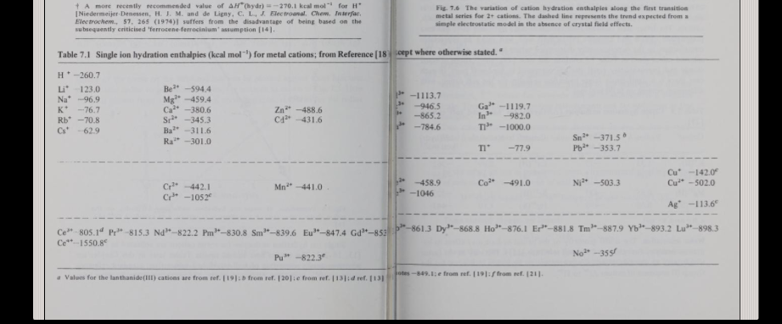
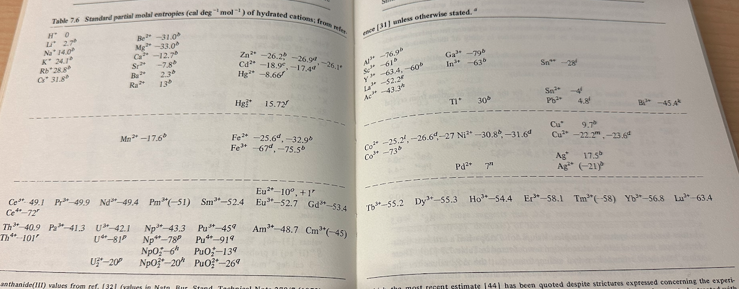
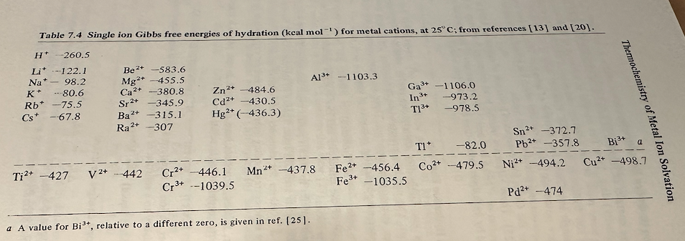
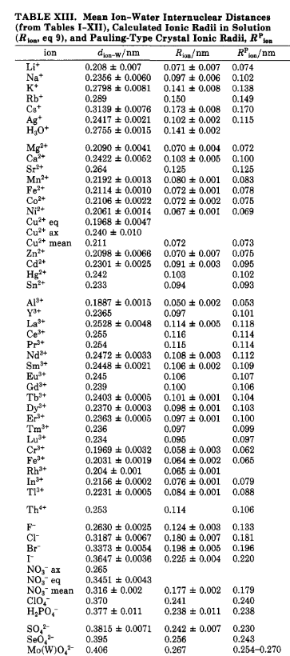
Sources
Source Link | Theory or Experimental
http://abulafia.mt.ic.ac.uk/shannon/ptable.php
https://archive.org/details/metalionsinsolut00unse
https://pubs.acs.org/doi/epdf/10.1021/cr00090a003?ref=article_openPDF
https://websites.umich.edu/~cowley/ionen.htm
https://en.wikipedia.org/wiki/Template:Periodic_table_(electronegativity_by_Pauling_scale)

